Lider_Markalar_Kadin_Gundelik
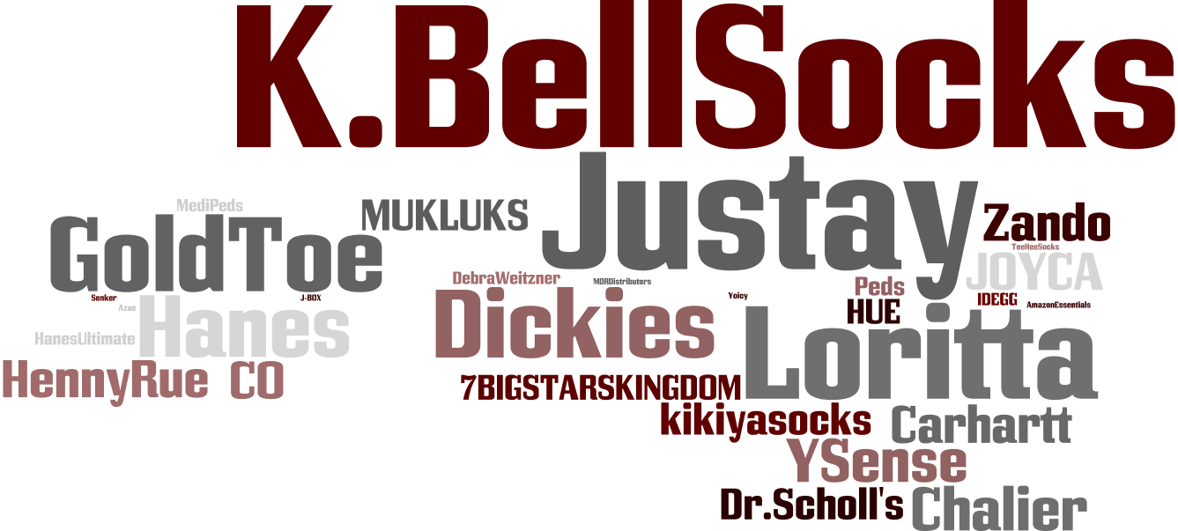

Lider_Markalar_Kadin_Resmi
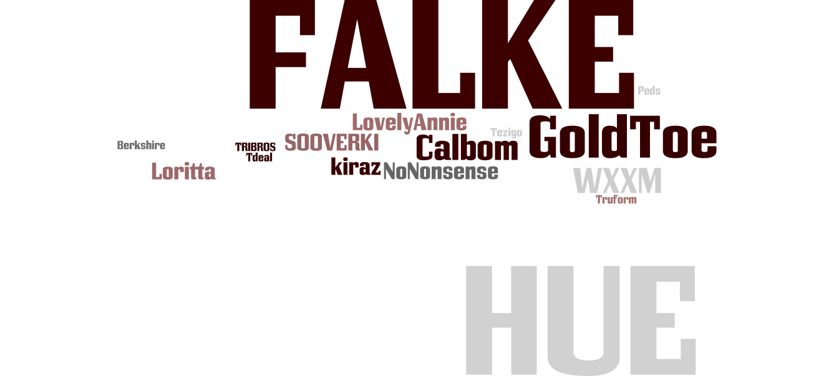

Lider_Markalar_Erkek_Gundelik
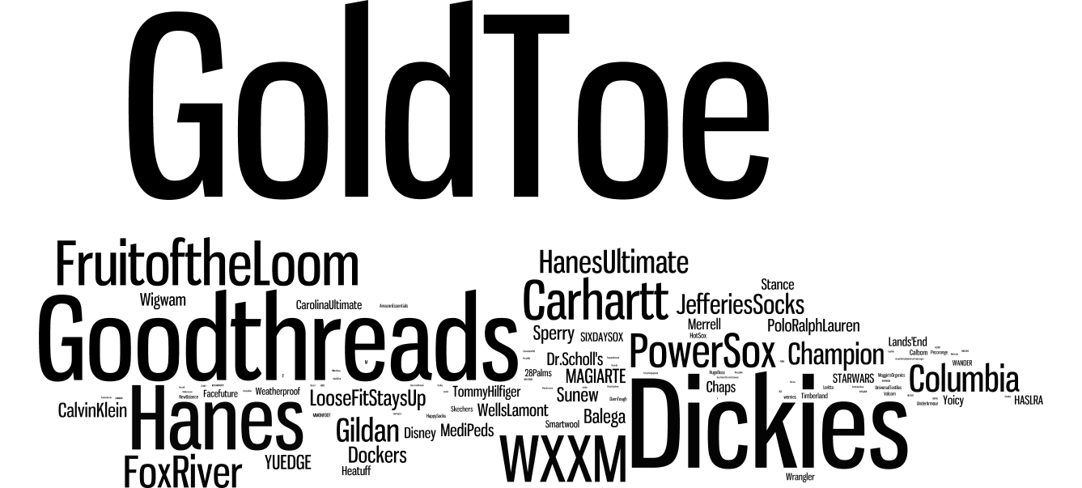

Lider_Markalar_Erkek_Resmi


Lider_Markalar_Kiz_Cocuk
